Лист1
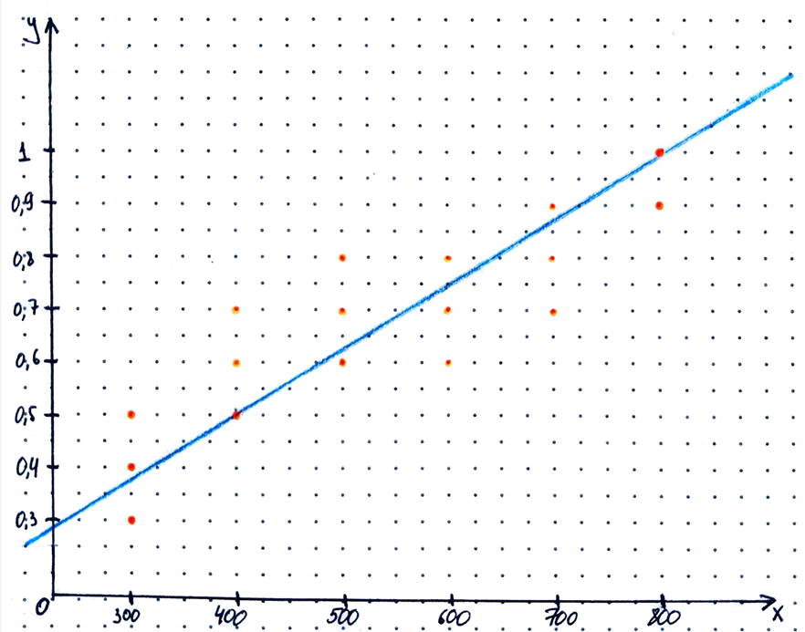
 | j | 1 | 2 | 3 | 4 | 5 | 6 | 7 | 8 | 9 | 10 | 11 | 12 | 13
i | x\y | 0.3 | 0.4 | 0.5 | 0.6 | 0.7 | 0.8 | 0.9 | 1 | m(x(i)) | m(x(i)) x(i) | ∑m(y(j))*y(j) | m(x(i))*x(i)^2 | x(i)∑m(ij)*y(j)
1 | 300 | 2 | 3 | 6 | - | - | - | - | - | 11 | 3300 | 4.8 | 990000 | 1440
2 | 400 | - | - | 3 | 6 | 5 | - | - | - | 14 | 5600 | 8.6 | 2240000 | 3440
3 | 500 | - | - | - | 4 | 15 | 8 | - | - | 27 | 13500 | 19.3 | 6750000 | 9650
4 | 600 | - | - | - | 8 | 5 | 10 | - | - | 23 | 13800 | 16.3 | 8280000 | 9780
5 | 700 | - | - | - | - | 7 | 6 | 3 | - | 16 | 11200 | 12.4 | 7840000 | 8680
6 | 800 | - | - | - | - | - | - | 6 | 3 | 9 | 7200 | 8.4 | 5760000 | 6720
7 | m(y(i)) | 2 | 3 | 9 | 18 | 32 | 24 | 9 | 3 | 100 | 54600 | 69.8 | 31860000 | 39710
8 | m(y(j))*y(j) | 0.6 | 1.2 | 4.5 | 10.8 | 22.4 | 19.2 | 8.1 | 3 | 69.8 | - | - | - | -
9 | ∑m(ij)*x(i) | 600 | 900 | 3000 | 9200 | 17400 | 14200 | 6900 | 2400 | 54600 | - | - | - | -
10 | m(ij)*y(j)^2 | 0.18 | 0.48 | 2.25 | 6.48 | 15.68 | 15.36 | 7.29 | 3 | 50.72 | - | - | - | -
11 | y(j)∑m(ij)*x(i) | 180 | 360 | 1500 | 5520 | 12180 | 11360 | 6210 | 2400 | 39710 | - | - | - | -

Х(ср)= | 546 |  |  | s(x)^2= | 20690.909091 |  | s(x)= | 143.84334914 |  | r(xy)= | 0.79017599774
Y(ср)= | 0.698 |  |  | s(y)^2= | 0.020197979798 |  | s(y)= | 0.14211959681
 |  |  |  | s(xy)= | 16.153535354

